Data Quality Issues
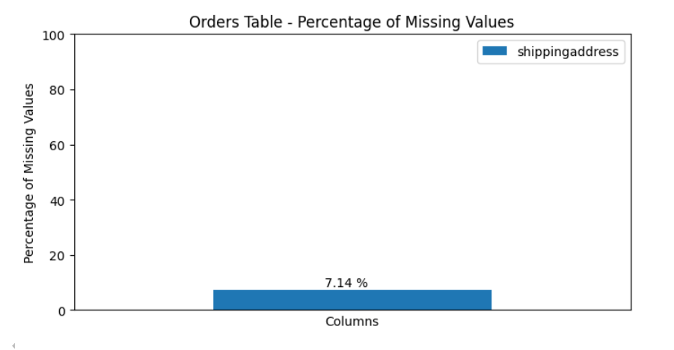
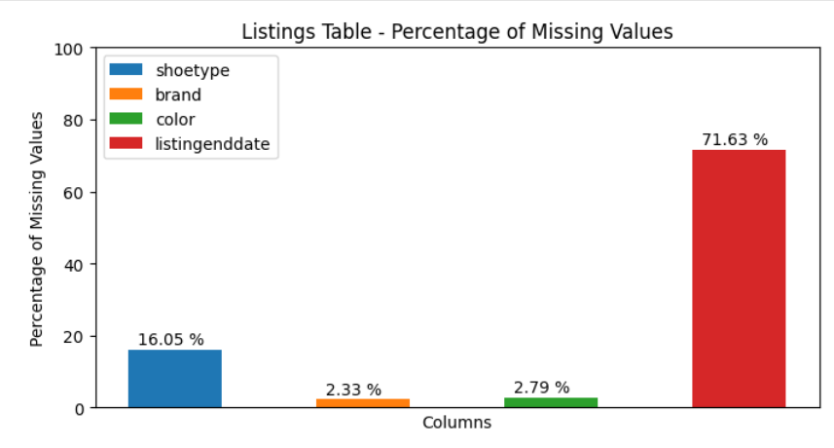
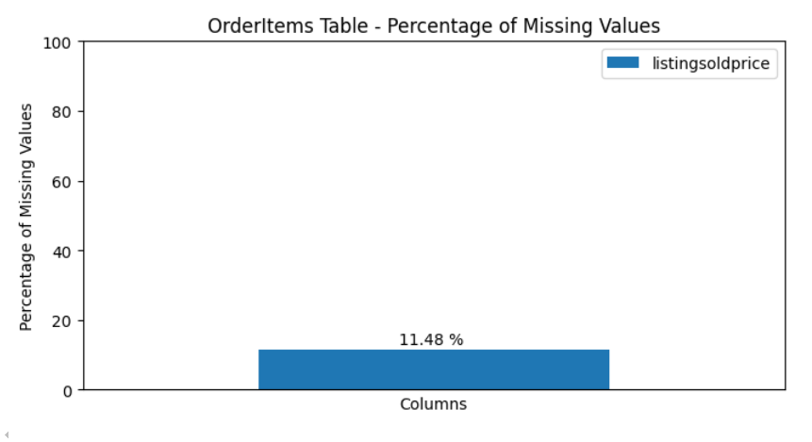
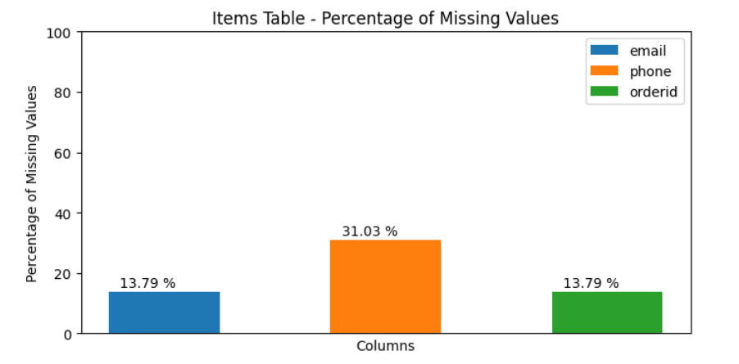
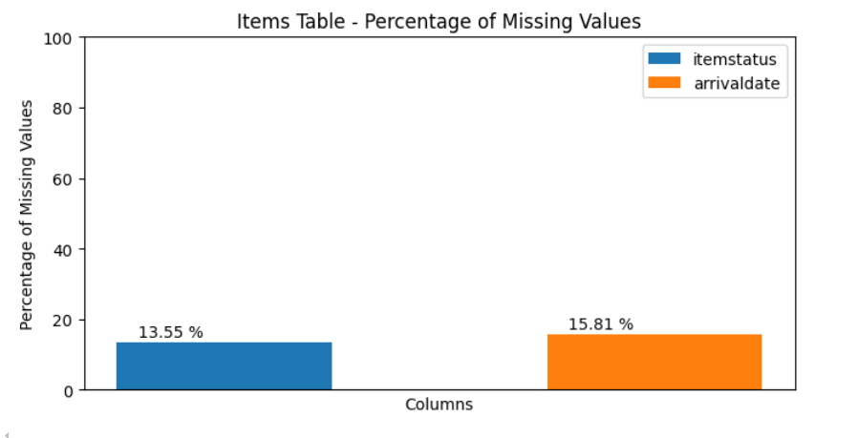
Existing Issue | Column | Table | Issue | Dimension | Description | Example | Suggested Resolution | Suggested Data Quality Rule | Data Quality Metric
N | Email | Users | Duplicate Values | Uniqueness | Email have been duplicated by some users | N/A | This filed needs to be set to UNIQUE to avoid duplicating data. | An email must be used by only a user | Count the number of unique email
N | productID | Listings | Invalid Referennce value | Validity | The SellerID didnot refer to valid ItemID from Items table | N/A | This field needs to be set as foreign key constraint references to the ItemID of Items table. | ProductID should be a valid ItemID value from Items Table | Percentage of valid values
Y | ShoeType | Listings | Missing Data | Completeness | 16.05% of ShoeType records have NULL value | listingid = 922399 | This field needs to be set to NOT NULL to avoid missing data. | ShoeType should be set or fill out the default ShoeType value | Percentage of non-missing values
Y | Brand | Listings | Missing Data | Completeness | 2.33% of Brand records have NULL value | listingid = 780627 | This field needs to be set to NOT NULL to avoid missing data. | Brand should be set or fill out the default Brand value | Percentage of non-missing values
Y | Color | Listings | Missing Data | Completeness | 2.79% of Color records have NULL value | listingid = 942361 | This field needs to be set to NOT NULL to avoid missing data. | Color should be set or fill out the default Color value | Percentage of non-missing values
Y | Size | listings | Equal to zero | Completeness | 25 Size records have value equal to zero | listingid = 780492 | This field needs to be set to the validate number of the size. | The size of shoe must be greater than zero | Count the number of cells where the size is equal to zero
Y | ListingEndDate | Listings | Missing Data | Completeness | 2.79% of ListingEndDate records have NULL value | listingid = 922399 | This field needs to be set to NOT NULL to avoid missing data. | ListingEndDate should be set or fill out the default value if not provided | Percentage of non-missing values
Y | ShippingAddress | Orders | Missing Data | Completeness | 2.79% of Color records have NULL value | listingid = 942361 | This field needs to be set to NOT NULL to avoid missing data. | Color should be set or fill out the default Color value | Percentage of non-missing values
N | Status | Orders | Missing Data | Validity | Status have been missing value | N/A | This field needs to be set to NOT NULL to avoid missing data. | Status should be set with the valid value | Percentage of non-missing values / Percentage of valid values
Y | ListingSoldPrice | OrderItems | Missing Data | Completeness | 11.48% of ListingSoldPrice record have NULL value | listingid = 981789 | This field needs to be set to NOT NULL to avoid missing data. | The ListingSoldPricee should be defined | Percentage of non-missing values
N | SellerID | Items | Invalid Referennce value | Validity | The SellerID didnot refer to valid UserID from Users table | N/A | This field needs to be set as foreign key constraint references to the UserID of Users table. | SellerID should be a valid UserID value from Users Table | Percentage of valid values
Y | ItemStatus | Items | Missing Data | Completeness | 13.55% of ItemStatus records have NULL value | itemid = 15016 | This field needs to be set to NOT NULL to avoid missing data. | Status should be set with the valid value | Percentage of non-missing values / Percentage of valid values
Y | ArrivalDate | Items | Missing Data | Completeness | 15.81% of ArrivalDate records have NULL value | itemid = 46646 | This field needs to be set to NOT NULL to avoid missing data. | ArrivalDate should be fill with valid value | Percentage of non-missing values
N | UserID | CustomerServiceRequests | Invalid Referennce value | Validity | The UserID didnot refer to valid UserID from Users table | N/A | This field needs to be set as foreign key constraint references to the UserID of Users table. | UserID should be a valid UserID value from Users Table | Percentage of valid values
Y | Email | CustomerServiceRequests | Missing Data | Completeness | 13.79% of Email records have NULL value | id = 722716 | This field needs to be set to NOT NULL to avoid missing data. | Phone should be set with the valid value | Percentage of non-missing values
Y | Phone | CustomerServiceRequests | Missing Data | Completeness | 31.03% of Phoneail records have NULL value | id = 644088 | This field needs to be set to NOT NULL to avoid missing data. | Email should be set with the valid value | Percentage of non-missing values
Y | OrderId | CustomerServiceRequests | Missing Data | Invalid Referennce value | Completeness | Validity | 13.79% of Email records have NULL value | id = 644088 | This field needs to be set to NOT NULL to avoid missing data and set as foreign key constraint references to the UserID of Users table. | OrderID should be a valid OrderID value from Orders Table | Percentage of non-missing values / Percentage of valid values

